Rev 0
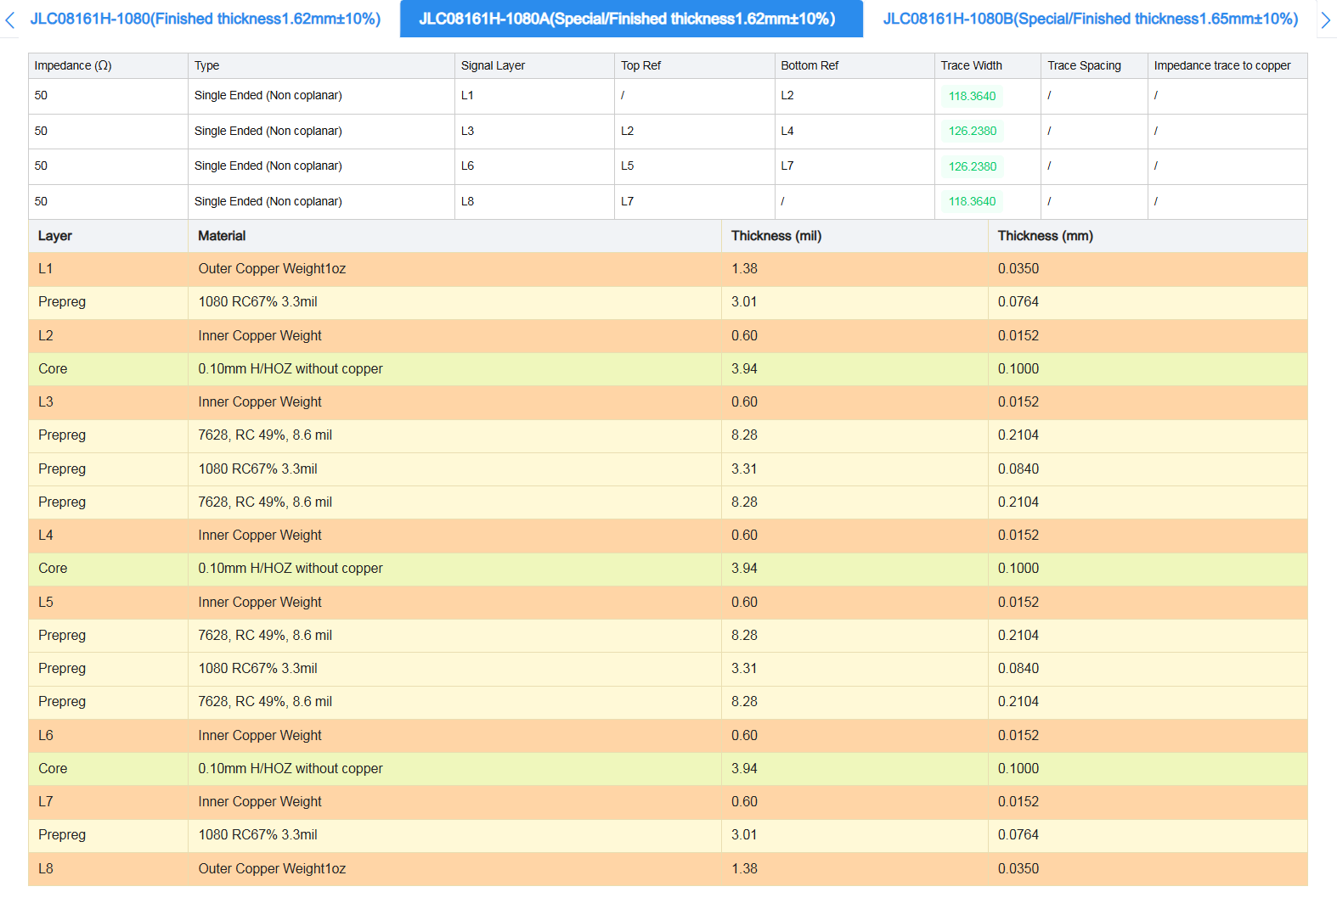
ITEM # | Type of comment | Severity (Min 1, Max 5) | Submitted By (Name/Initials) | Date | Description / Comment / Question | EGP S/N | Part Revision | Decision | Notes for Decision | Owner of the Investigation | Approved Change Implemented by | Date | Checked by | Date | Comments/Notes | Checked Status (OK / NOT OK)
1 | D | 3 | DR | 2025-07-29 | Replace R58-R61 with normal 0402 1%. Precision is not needed. R60-61 47k, R58-59 3K3 |  |  | A |  |  | MJ | 2025-08-11
2 | D | 3 | DR | 2025-07-29 | Replace R1-R2 = 3k |  |  | A |  |  | MJ | 2025-08-08
3 | D | 3 | DR | 2025-07-29 | Replace R90 = 3k |  |  | A | R91 should be 3k and R90 should be 1k |  | MJ | 2025-08-08
4 | D | 3 | DR | 2025-07-29 | Replace R91 = 1k |  |  | A | R91 should be 3k and R90 should be 1k |  | MJ | 2025-08-08
5 | D | 3 | DR | 2025-07-29 | Replace R98 = 3k |  |  | A |  |  | MJ | 2025-08-08
6 | D | 3 | DR | 2025-07-29 | Replace all 10p => 27p |  |  | A |  |  | MJ | 2025-08-08
7 | D | 3 | DR | 2025-07-29 | Replace C47, C62 = 1u |  |  | A |  |  | MJ | 2025-08-08
8 | D | 3 | DR | 2025-07-29 | Replace C42 = 1u |  |  | A |  |  | MJ | 2025-08-08
9 | D | 3 | DR | 2025-07-29 | Replace C1-C3 = 22u EGP878 |  |  | R | These are specified for PDN must be specific part
10 | D | 3 | DR | 2025-07-29 | Replace C4-C10 = 1u 0402 |  |  | R | These are specified for PDN must be specific part
11 | D | 3 | DR | 2025-07-29 | Replace EGP1461 to generic 100n 0402 |  |  | A |  |  | MJ | 2025-08-08
12 | D | 3 | DR | 2025-07-29 | Replace Attiny with ATMega4809 = EGP10001000. See ESH10000063 |  |  | A |  |  | MJ | 2025-08-11
13 | D | 3 | DR | 2025-07-29 | R93 => 0402 |  |  | A |  |  | MJ | 2025-08-08
14 | D | 5 | DR | 2025-07-29 | Fel footprint AD5592, ska vara QFN |  |  | A |  |  | MJ | 2025-08-08
15 | D | 4 | DR | 2025-07-29 | No 0603 components allowed without asking DR first |  |  | R | Ok
16 | D | 5 | DR | 2025-07-29 | R20-R21 (und so weiter) = 1M, R22 (und so weiter) = 100k, C11-C13 NM |  |  | A |  |  | MJ | 2025-08-08
17 | C | 3 | MJ | 2025-07-30 | Update boarders and revision |  |  | A |  |  | MJ | 2025-07-30
18 | D | 3 | MJ | 2025-07-30 | Check the voltage attribute for caps, missing? |  |  | A | Correct now |  | MJ | 2025-08-08
19 | D | 3 | MJ | 2025-07-30 | Check component D1 | EPG10001555 |  | A | Correct now |  | MJ | 2025-08-08
20 | Q | 5 | MJ | 2025-07-30 | GPIO_[0:3] on ATTiny not connected. Where should they go? |  |  | A | Sould be NC |  | MJ | 2025-08-11
21 | D | 5 | MJ | 2025-08-01 | PWM is connected directly from DUT to ATTiny at 3.3V. Spec say 1.8V & 3.3V. |  |  | A | Add buffer and OP for power with a new DAC |  | MJ | 2025-08-13
22 | D | 2 | MJ | 2025-08-01 | TACH is connected directly from DUT to ATTiny. Tach is no requirement. See XPIO board. |  |  | A | Add buffer and OP for power with a new DAC |  | MJ | 2025-08-13
23 | D | 5 | MJ | 2025-08-04 | Both PGA inputs are wired together by net naming! |  |  | A |  |  | MJ | 2025-08-08
24 | D | 5 | MJ | 2025-08-04 | Both PGA FDA are wired together by net naming! |  |  | A |  |  | MJ | 2025-08-08
25 | D | 3 | MJ | 2025-08-04 | Add +/-18V, VCM_ADC[1:2] and 5VA in LSHM for external calibration. |  |  | A |  |  | MJ | 2025-08-08
26 | D | 3 | MJ | 2025-08-05 | Name $ nets |  |  | A |  |  | MJ | 2025-08-08
27 | D | 5 | MJ | 2025-08-05 | Update Library with new parts |  |  | A |  |  | MJ | 2025-08-08
28 | D | 5 | MJ | 2025-08-05 | Add fiducials in schematic |  |  | A |  |  | MJ | 2025-08-08
29 | Q | 5 | MJ | 2025-08-05 | MPIO_4-5 goes to both Attiny and ADC/DAC |  |  | A | Use old ADC/DAC for MPIO[0:7] |  | MJ | 2025-08-11
30 | D | 5 | MJ | 2025-08-06 | Add proper PDS decoupling |  |  | A |  |  | MJ | 2025-08-14
31 | D | 4 | MJ | 2025-08-06 | Add testpoints |  |  | A |  |  | MJ | 2025-08-14
32 | D | 5 | MJ | 2025-08-06 | Add PCB spec, see table to the right |  |  | A |  |  | MJ | 2025-08-15
33 | D | 3 | MJ | 2025-08-06 | Sepparate AVDD with th 0 ohm resistor to all other components, meaning either 5VA is used (default) or AVDD is used. |  |  | A |  |  | MJ | 2025-08-11
34 | D | 5 | MJ | 2025-08-06 | Check that the standoffs used fits with LSHM |  |  | R | The standoffs will not be used.
35 | Q | 5 | MJ | 2025-08-07 | I2C over two power domains, will IDPROM be readable when no 3V3? |  |  | R | VID and 3V3 is now wired as the same net!
36 | D | 5 | MJ | 2025-08-08 | Add surplus signals from ADC/DAC to LSHM |  |  | A |  |  | MJ | 2025-08-11
37 | D | 5 | MJ | 2025-08-08 | Move back the 4 LEDs for connector lighting |  |  | A |  |  | MJ | 2025-08-11
38
39
40
41
42
43
44
45
46
47
48
49
50
51
52
53
54
55
56
57
58
59
60
61
62
63
64
65
66
67
68
69
70
71
72
73
74
75
76
77
78
79
80
81
82
83
84
85
86
87
88
89
90
91
92
93
94
95
96
97
98
99
100
101
102
103
104
105
106
107
108
109
110
111
112
113
114
115
116
117
118
119
120
121
122
123
124
125
126
127
128
129
130
131
132
133
134
135
136
137
138
139
140
141
142
143
144
145
146
147
148
149
150
151
152
153
154
155
156
157
158
159
160
161
162
163
164
165
166
167
168
169
170
171
172
173
174
175
176
177
178
179
180
181
182
183
184
185
186
187
188
189
190
191
192
193
194
195
196
197
198
199
200
201
202
203
204
205
206
207
208
209
210
211
212
213
214
215
216
217
218
219
220
221
222
223
224
225
226
227
228
229
230
231
232
233
234
235
236
237
238
239
240
241
242
243
244
245
246
247
248
249
250
251
252
253
254
255
256
257
258
259
260
261
262
263
264
265
266
267
268
269
270
271
272
273
274
275
276
277
278
279
280
281
282
283
284
285
286
287
288
289
290
291
292
293
294
295
296
297
298
299
300
301
302
303
304
305
306
307
308
309
310
311
312
313
314
315
316
317
318
319
320
321
322
323
324
325
326
327
328
329
330
331
332
333
334
335
336
337
338
339
340
341
342
343
344
345
346
347
348
349
350
351
352
353
354
355
356
357
358
359
360
361
362
363
364
365
366
367
368
369
370
371
372
373
374
375
376
377
378
379
380
381
382
383
384
385
386
387
388
389
390
391
392
393
394
395
396
397
398
399
400
401
402
403
404
405
406
407
408
409
410
411
412
413
414
415
416
417
418
419
420
421
422
423
424
425
426
427
428
429
430
431
432
433
434
435
436
437
438
439
440
441
442
443
444
445
446
447
448
449
450
451
452
453
454
455
456
457
458
459
460
461
462
463
464
465
466
467
468
469
470
471
472
473
474
475
476
477
478
479
480
481
482
483 | x | x | x | x | x | x | x | x | x | x | x | x | x | x | x | x

Rev 1
Product Name |  | Sparrow N-Top
ESH # |  | ESH10000535
Revision |  | Rev 1

 | Description |  |  |  |  | Affected Part |  | Decision for Change |  |  | Design Change Progress and Review (if Implemented)
 | D | Design |  |  |  |  |  | A | Approve |  |  |  |  |  |  | NOT OK
 | C | Cosmetic |  |  |  |  |  | R | Reject / Close |  |  |  |  |  |  | OK
 | Q | Question |  |  |  |  |  | I | Investigate
 | S | Suggestion |  |  |  |  |  | D | Duplicate
 | IC | Implementation Comments / Choices |  |  |  |  |  | P | Postpone to later version or revision
 |  |  |  |  |  |  |  | V | Verify through measurements
ITEM # | Type of comment | Severity (Min 1, Max 5) | Submitted By (Name/Initials) | Date | Description / Comment / Question | EGP S/N | Part Revision | Decision | Notes for Decision | Owner of the Investigation | Approved Change Implemented by | Date | Checked by | Date | Comments/Notes | Checked Status (OK / NOT OK)
1 | D | 3 | MJ | 2025-09-12 | Change R60,R61=140k. R58,R59=10k for better precision in dual supply output. |  |  | A | Done
2 | D | 5 | DR | 2025-09-20 | CHx_P is connected to IN-/CHx_N is connected to IN+ on PGAs |  |  | A | Done
3 | D | 4 | DR | 2025-09-20 | Should use PGA849 (diff in/SE out) instead of PGA855 (differential in/out). Similar pinout (finns på mouser) |  |  | A | Done
4 | D | 4 | DR | 2025-09-20 | Add calibration switch (PS509LEX) for both CH1 and CH2. SW0/SW1 connected per channel, SW_EN is inverted (enabled when main switch is disabled) CH1 => SHORT BETWEEN CHx_P <-> CHx_N CH2 => CHx_P=GND, CHx_N=VREF CH3 => CHxP=VREF, CHx_N=GND CH4 => CHx_x = GND This allows for the following calibration modes: CH1 => Offset/Zero calibration. The measured output is now the zero point for subsequent measurements CH2 => Negative full-scale calibration (must use gain=1 mode or less) CH3 => Positive full-scale calibration (must use gain=1 mode or less) CH4 => Should be the same as for CH1, but can be used to discharge common mode voltage from the kick-back filter |  |  | A | Done |  |  |  |  |  |  |  | 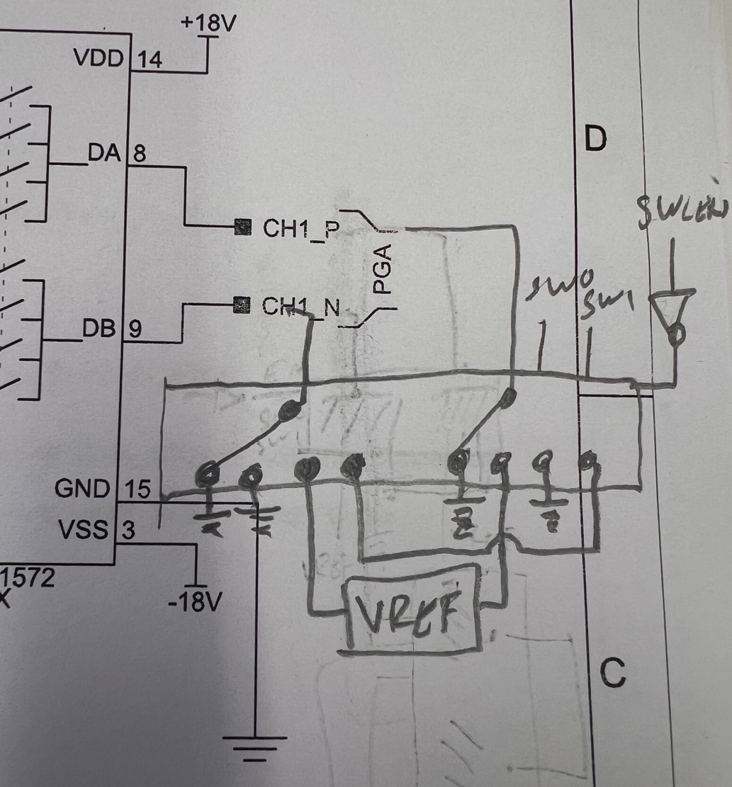
5 | D | 3 | MJ | 2025-09-21 | Add MPIO pulldowns 1M |  |  | A | Done
6 | D | 1 | MJ | 2025-09-21 | If time allows move LSHM a bit down to make the pannel cutout better |  |  | A | Done
7 | D | 5 | MJ | 2025-09-25 | Replace R38,R39,R41,R42 with 0R. The divider is already at FE. |  |  | R | Will rearange on FE so that these signals are not muxed on FE
8 | C | 5 | MJ | 2025-09-29 | Update revision |  |  | A | Done
9 | D | 5 | MJ | 2025-09-29 | Review the voltage divider on PGA input |  |  | A | Use 100k on all => 1/3
10 | D | 5 | MJ | 2025-09-29 | Add pullup on ATMega RxD, also add 0 ohm resistors for TXD and RXD |  |  | A | Done
11 | D | 5 | MJ | 2025-10-06 | Remove the connection to MCU_XPIO_DIMM_SODIMM |  |  | A | Done
12 | D | 3 | MJ | 2025-10-13 | Add more testpoint, SPI, UART and Power etc |  |  | A | Done
13 | D | 3 | MJ | 2025-10-13 | Change name of G*_CH* to G*_PGA*. Same for SW*. |  |  | A | Done
14
15
16
17
18
19
20
21
22
23
24
25
26
27
28
29
30
31
32
33
34
35
36
37
38
39
40
41
42
43
44
45
46
47
48
49
50
51
52
53
54
55
56
57
58
59
60
61
62
63
64
65
66
67
68
69
70
71
72
73
74
75
76
77
78
79
80
81
82
83
84
85
86
87
88
89
90
91
92
93
94
95
96
97
98
99
100
101
102
103
104
105
106
107
108
109
110
111
112
113
114
115
116
117
118
119
120
121
122
123
124
125
126
127
128
129
130
131
132
133
134
135
136
137
138
139
140
141
142
143
144
145
146
147
148
149
150
151
152
153
154
155
156
157
158
159
160
161
162
163
164
165
166
167
168
169
170
171
172
173
174
175
176
177
178
179
180
181
182
183
184
185
186
187
188
189
190
191
192
193
194
195
196
197
198
199
200
201
202
203
204
205
206
207
208
209
210
211
212
213
214
215
216
217
218
219
220
221
222
223
224
225
226
227
228
229
230
231
232
233
234
235
236
237
238
239
240
241
242
243
244
245
246
247
248
249
250
251
252
253
254
255
256
257
258
259
260
261
262
263
264
265
266
267
268
269
270
271
272
273
274
275
276
277
278
279
280
281
282
283
284
285
286
287
288
289
290
291
292
293
294
295
296
297
298
299
300
301
302
303
304
305
306
307
308
309
310
311
312
313
314
315
316
317
318
319
320
321
322
323
324
325
326
327
328
329
330
331
332
333
334
335
336
337
338
339
340
341
342
343
344
345
346
347
348
349
350
351
352
353
354
355
356
357
358
359
360
361
362
363
364
365
366
367
368
369
370
371
372
373
374
375
376
377
378
379
380
381
382
383
384
385
386
387
388
389
390
391
392
393
394
395
396
397
398
399
400
401
402
403
404
405
406
407
408
409
410
411
412
413
414
415
416
417
418
419
420
421
422
423
424
425
426
427
428
429
430
431
432
433
434
435
436
437
438
439
440
441
442
443
444
445
446
447
448
449
450
451
452
453
454
455
456
457
458
459
460
461
462
463
464
465
466
467
468
469
470
471
472
473
474
475
476
477
478
479
480
481
482
483 | x | x | x | x | x | x | x | x | x | x | x | x | x | x | x | x

